Sheet1 (2)
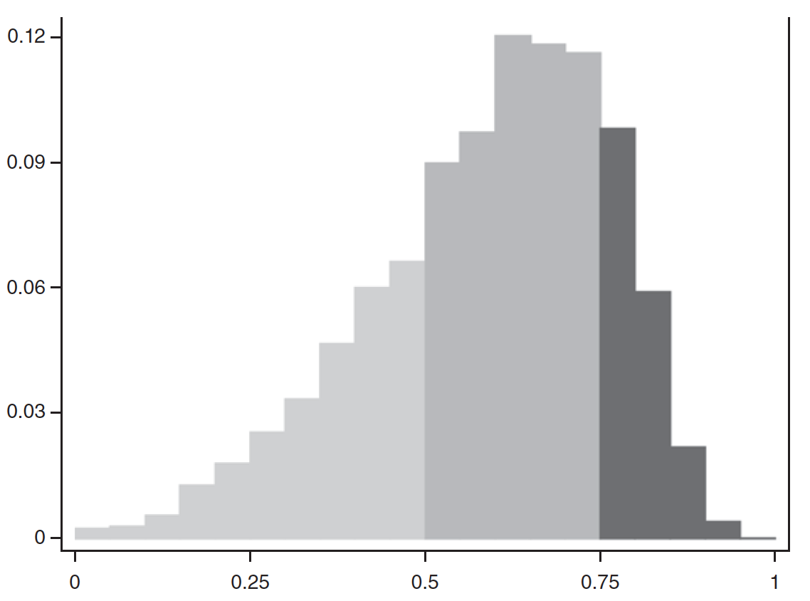

 |  | 0.123
 |  | 0.12
 |  | 0.117
 |  | 0.114
 |  | 0.111
 |  | 0.108
 |  | 0.105
 |  | 0.102 | 0.05
 |  | 0.099 | 0.1
 |  | 0.096 | 0.15
 |  | 0.093 | 0.2
 |  | 0.09 | 0.25
 |  | 0.087 | 0.3
 |  | 0.084 | 0.35
 |  | 0.081 | 0.4
 |  | 0.078 | 0.45
 |  | 0.075 | 0.5
 |  | 0.072 | 0.55
 |  | 0.069 | 0.6
 |  | 0.066 | 0.65
 |  | 0.063 | 0.7
 |  | 0.06 | 0.75
1 | 0.002 | 0.057 | 0.8
0.95 | 0.028 | 0.054 | 0.85
0.9 | 0.022 | 0.051 | 0.9
0.85 | 0.056 | 0.048 | 0.95
0.8 | 0.095 | 0.045 | 1
0.75 | 0.113 | 0.042
0.7 | 0.116 | 0.039
0.65 | 0.120 | 0.036
0.6 | 0.096 | 0.033
0.55 | 0.088 | 0.03
0.5 | 0.064 | 0.03
0.45 | 0.058 | 0.027
0.4 | 0.045 | 0.024
0.35 | 0.031 | 0.021
0.3 | 0.025 | 0.018
0.25 | 0.019 | 0.015
0.2 | 0.013 | 0.012
0.15 | 0.004 | 0.009
0.1 | 0.002 | 0.006
0.05 | 0.001 | 0.003
 |  | 0

